Sheet1
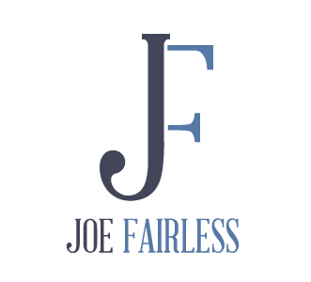
How Much Annual Income Do You Want?

 | Inputs
 | Annual Income Goal | $100,000
 | Acquisition Fee | 2%
 | Preferred Return | 8%
 | % of Return to Investors After Preferred Return | 70%
 | Projected CoC Return | 10%

 | The Results
 | Investors Preferred Return | $1,333,333
 | Investors Return After Preferred | $233,333
 | Your Return | $100,000
 | Your One-Time Acquisition Fee | $1,044,444.44
 | Property Purchase Price | $52,222,222
 | Equity Required | $15,666,667

Purpose: identify how much money you need to raise (E18) and the purchase price of the property (E17) that will result in your desired annual recurring income (excluding one-time GP fees and sales proceeds).

Directions: Only change the RED cells
1. Fill in E6 with your desired annual income
2. Fill in E7 with your negotiated or projected acquisition fee (2% is standard)
3. Fill in E8 with the preferred return you will offer to your investors
4. Fill in E9 with the % of return above the preferred return that you will be offering your investors?
5. Fill in E10 with the minimum cash-on-cash return a project must achieve in order to meet your investors goals

Assumptions
Projected CoC return (E10) is after all expenses, debt service, capital expenses and reserves
Equity required includes a 25% down payment and 5% to cover additional fees associated with closing

Click here for more free content on raising money and buying apartments with passive investors

Do you need debt for your deal, equity for your deal, or maybe a loan guarantor to get qualified for financing? Here is a mortgage broker that the clients in my consulting program and my company have used: Marc Belsky at Eastern Union. Call Marc at 212-897-9875 or send him an email at mbelsky@easterneq.com.

